Wheels
 |  |  | S = Standard Equipment A = Available -- (dashes) = Not Available D = ADI Available ■ = Included in Equipment Group □ = Included in Equipment Group but upgradeable * = Indicates availability of feature on multiple models.
 |  |  | 1: Equipment group available on 1MB48. 2: Equipment group available on 1MM48.
Orderable RPO Code | Ref. Only RPO Code | Wheels | Description | LT 2LT1 | RS 2RS2
 | REH | 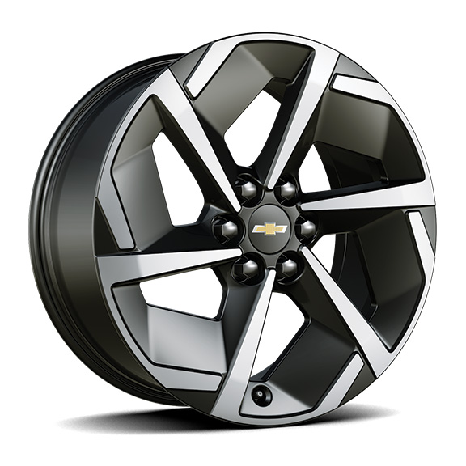 | Wheels, 19" (48.3cm) | S | --
 | RVV | 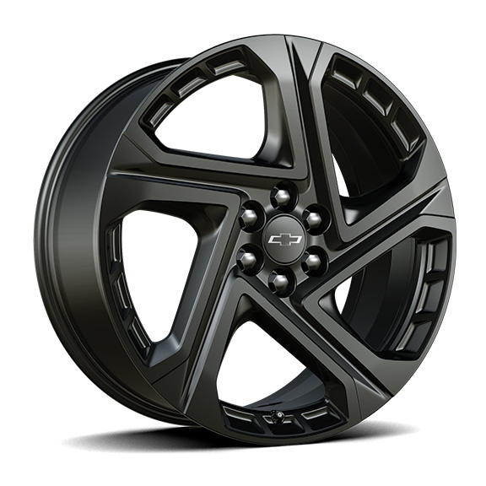 | Wheels, 21" (53.3 cm) Black painted aluminum | -- | S
 | RW4 | 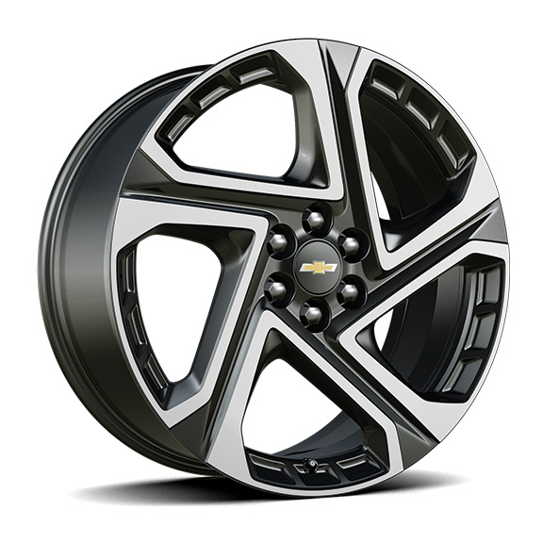 | Wheels, 21" (53.3 cm) machined aluminum 1. Included and only available with (6K5) Convenience Package II. | A1 | --

